Part 1
Year | Catch | LN(Count) | Expected | (Exp-Obs)^2 | MSE | r - regression
1965 | 1200 |  |  |  |  | r - solver
1966 | 1217
1967 | 1243
1968 | 1267
1969 | 1305
1970 | 1333
1971 | 1362
1972 | 1417
1973 | 1447
1974 | 1464
1975 | 1491
1976 | 1529
1977 | 1576
1978 | 1606
1979 | 1632
1980 | 1638
1981 | 1682
1982 | 1714
1983 | 1727
1984 | 1774
1985 | 1793
1986 | 1828
1987 | 1869
1988 | 1907
1989 | 1965
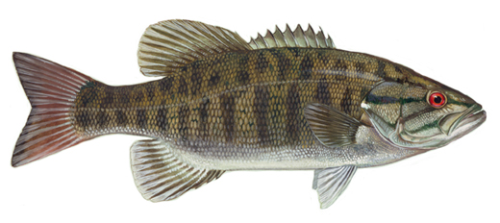
1990 | 2032
1991 | 2068
1992 | 2114
1993 | 2144
1994 | 2197
1995 | 2289
1996 | 2327
1997 | 2333
1998 | 2360
1999 | 2467
2000 | 2510
2001 | 2525
2002 | 2621
2003 | 2677
2004 | 2730
2005 | 2739

Part 2
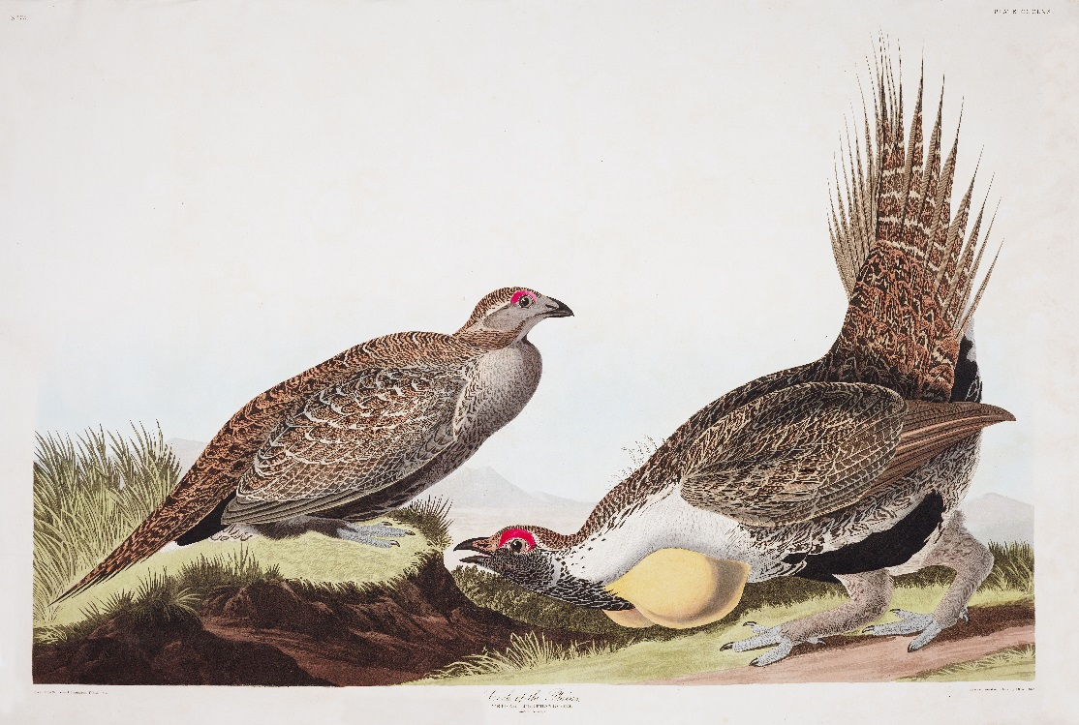
Year | Males/lek | ln(Count) | Predicted(LN(20)) | Pred(20) | Pred(LN(10)) | Pred(10)
1995 | 28
1996 | 37
1997 | 37
1998 | 43
1999 | 44
2000 | 43
2001 | 19
2002 | 16
2003 | 14
2004 | 19
2005 | 31
2006 | 28
2007 | 10
2008 | 9
2009 | 11
2010 | 13
2011 | 20
2012 | 16
2013 | 19
2014 | 18
2015 | 33

